MD Directories
 |  | MD Directories

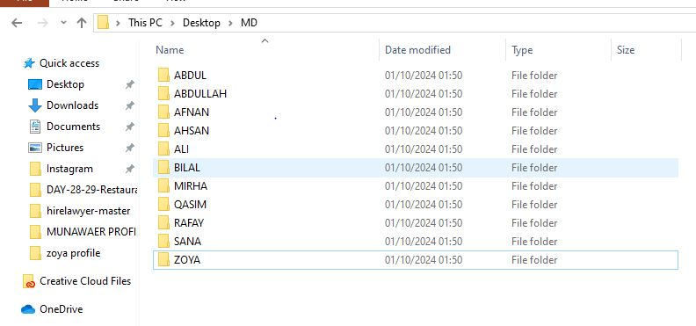

NAME | MD NAME
ZOYA | MD ZOYA
ABDUL RAFAY | MD ABDUL RAFAY
AHSAN | MD AHSAN
BILAL | MD BILAL
MIRHA | MD MIRHA
AFNAN | MD AFNAN
ALI | MD ALI
SANA | MD SANA
AHSAN | MDAHSAN
ABDULLAH | MD ABDULLAH
QASIM | MD QASIM

